Home Contents Inventory List
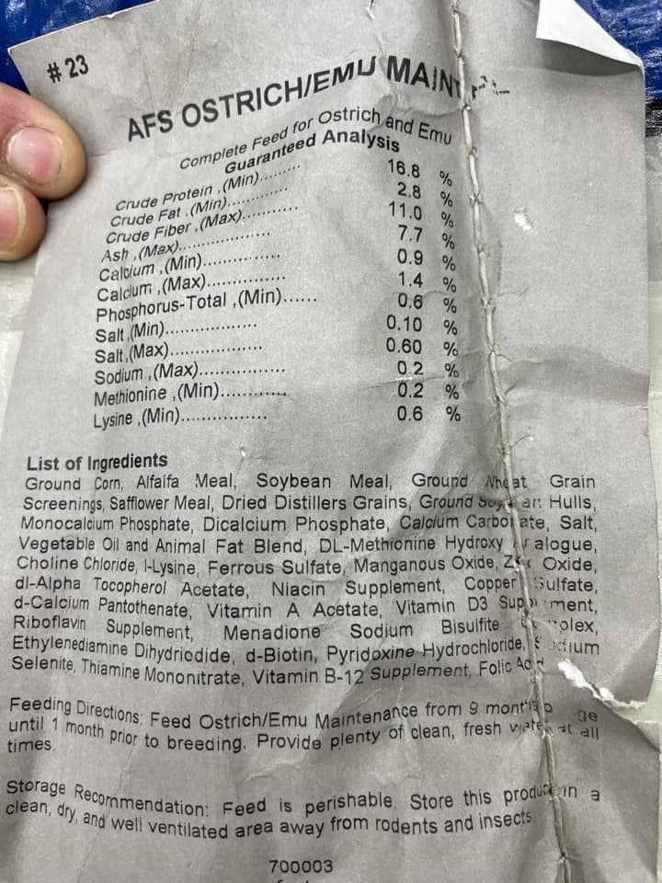
Ratite Feed Nutritian Properties
Charnwoods | https://www.charnwoodmilling.co.uk/dods | UK | Tip: It’s a good idea to save a paper copy of this list in a fireproof safe, in a safe deposit box or somewhere outside your home.
Dodson and Horrell | https://www.dodsonandhorrell.com | UK
Researched and data input by Lynda Whittemore
Helen Goldman
www.emu.services
Versele-Laga | https://www.versele-laga.com/en/gb | Austria
Kalmbach | https://www.kalmbachfeeds.com/ | US
Mazuri | https://www.mazuri.com/ | US
Garvo | https://www.kiezebrink.co.uk/ | UK
Hubbard | https://www.hubbardfeeds.com/ | US

% / ppm | Hubbard Ratite Feed | Garvo Ratite pellet | Charnwoods Ostrich Starter | Charnwoods Ostrich Grower | Charnwoods Ostrich Maintenance | Charnwoods Breeder | Dodson and Horrell Grower | Dodson and Horrell Layer | Versele-Laga, starter, 1&2 | Kalmbach | Mazuri Ratite Starter | Mazuri Emu maintenance | Mazuri Ratite Diet | Mazuri Breeder | AFS Maintenance
Nutrients
Crude Protein % | 21.5 | 15.1 | 20.5 | 16 | 15 | 17.5 | 16.5 - 18 | 18 | 19.5 | 20 | 21 | 17.3 | 15 | 23 | 16.80%
Arginine % |  |  |  |  |  |  |  |  |  |  | 1.4 | 0.97 | 0.87 | 1.6
Cystine % |  |  | 0.37 | 0.29 | 0.29 | 0.31 |  |  |  |  | 0.37 | 0.24 | 0.24 | 0.4
Glycine % |  |  |  |  |  |  |  |  |  |  | 1 | 0.79 | 0.73 | 1.1
Histidine % |  |  |  |  |  |  |  |  |  |  | 0.56 | 0.44 | 0.35 | 0.63
Isoleucine % |  |  |  |  |  |  |  |  |  |  | 0.93 | 0.84 | 0.85 | 1
Leucine % |  |  |  |  |  |  |  |  |  |  | 1.7 | 1.35 | 1.2 | 1.8
Lysine % | 0.9 | 7.48 grams/kg | 1.24 | 0.83 | 0.7 | 0.85 | 8 g/kg | 9 g/kg | 1.01 |  | 1.2 | 0.84 | 0.8 | 1.3 | 0.60%
Methionine % | 0.3 | 2.55 grams/kg | 0.53 | 0.35 | 0.31 | 0.36 | 4 g/kg | 4.5 g/kg | 0.39 |  | 0.4 | 0.36 | 0.36 | 0.43 | 0.20%
Phenylalanine % |  |  |  |  |  |  |  |  |  |  | 1 | 0.8 | 0.79 | 1.1
Tyrosine % |  |  |  |  |  |  |  |  |  |  | 0.66 | 0.52 | 0.55 | 0.74
Threonine % |  |  | 0.78 | 0.55 | 0.51 | 0.62 |  |  |  |  | 0.82 | 0.62 | 0.6 | 0.9
Tryptophan % |  |  |  |  |  |  |  |  |  |  | 0.25 | 0.22 | 0.19 | 0.27
Valine % |  |  |  |  |  |  |  |  |  |  | 1 | 0.87 | 0.78 | 1.1
Crude Fat % | 3 | 3.1 |  |  |  |  |  |  | 3.5 | 3 | 2.5 | 2.5 | 3 | 3 | 2.80%
Oil % |  |  | 2.75 | 3.5 | 3.45 | 4.2 | 3.5 | 4
Linoleic acid |  |  |  |  |  |  |  |  |  |  |  |  | 1.1 | 1.7
Omega-3 Fatty Acids % |  |  |  |  |  |  |  |  |  |  | 0.14 | 0.17 | 0.38 | 0.25
Omega-6 Fatty Acids % |  |  | 0.95 | 1.4 |  | 1.7 |  |  |  |  | 1.2 | 1.17 | 1.1 | 1.7
Crude Fibre % | 13 | 10.1 | 6.4 | 10 | 12 | 8.5 | 9 | 11 | 8 | 15 | 7 | 10.4 | 18 | 8 | 11%
Neutra Detergent Fibre % |  |  |  |  |  |  |  |  |  |  | 16 | 25.1 | 36 | 16
Acid Detergent Fiber |  |  |  |  |  |  |  |  |  |  | 7.3 | 13.1 | 22 | 7.3
Minerals
Ash % |  | 11 | 8.3 | 8 | 9 | 12.75 | 7.5 | 14 | 7.5 |  | 8.8 / 9 | 7.3 | 9.5 | 9.8 | 7.70%
Calcium % | 1.4 - 1.9 | 21.7grams/kg | 1.5 | 1.25 | 1.35 | 3.22 | 1.1 | 2.8 | 1.25 | 1.2 - 1.7 | 1.3 - 1.9 | 1.35 | 1.7 | 2 | 0.9 - 1.4%
Phosphorus % |  | 10.01 grams/kg |  |  |  |  | 1.1 | 0.7 | 0.93 | 1 | 1.1 - 1.2 | 0.88 | 0.98 | 1.1 | 0.60%
Phosphorus ( non-phytate) % | 8 | 10.01 grams/kg | 0.78 | 0.96 | 0.67 | 0.45 | 0.9 | 1.1 |  |  | 0.85 | 0.6 | 0.8 | 0.8
Potassium % |  | 10.01 grams/kg |  |  |  |  | 1.1 | 1 |  |  | 1.2 | 1.27 | 1.1 | 1.3
Magnesium % |  | 10.01 grams/kg |  |  |  |  | 0.22 | 0.2 |  |  | 0.23 | 0.25 | 0.21 | 0.23
Sodium % |  | 2.03 grams/kg |  |  | 0.21 | 0.18 | 0.23 | 0.15 | 0.2 |  | 0.23 | 0.17 | 0.25 | 0.22
Chloride % |  |  |  |  |  |  | 0.2 | 0.2 |  |  | 0.41 | 0.39 | 0.5 | 0.4
Iron, Ferrous sulfate ppm |  |  | 30 mg/kg | 30 mg/kg | 30 mg/kg | 40 mg/kg | 220 mg/ kg | 210 mg/kg |  |  | 510 | 390 | 575 | 470
Iron Sulphate Monohydrate |  | 45 mg |  |  |  |  |  | 26 mg/kg
Zinc, ppm |  | 31mg | 80 mg/kg | 80 mg/kg | 100 mg/kg | 100 mg/kg | 90 mg/kg | 110 mg/kg |  |  | 175 | 150 | 135 | 175
Zinc oxide |  |  |  |  |  |  |  | 69 mg/kg
Manganese, ppm |  | 63 mg | 100 mg/kg | 100 mg/kg | 100 mg/kg | 100 mg/kg | 80 mg/kg | 110 mg/kg |  |  | 200 | 180 | 130 | 200
Manganese oxide |  |  |  |  |  |  |  | 64 mg/kg
Copper, ppm |  | 9mg | 20 mg/kg | 25 mg/kg | 15 mg/kg | 20 mg/kg | 20 mg/kg | 20 mg/kg |  |  | 45 | 37 | 19 | 45
Copper sulphate pentahydrate |  |  |  |  |  |  | 80 mg/kg | 12 mg/kg | 15 mg/kg
Iodine (Calcium iodate anhydrous) |  | 1 mg |  |  |  |  | 1 mg/kg | 0.7 mg/kg | 3.16 mg/kg
Iodine, ppm |  |  | 2 mg/kg | 2 mg/kg | 2 mg/kg | 2 mg/kg | 1.2 mg/kg | 0.8 mg/kg |  |  | 1.3 | 1.3 | 1.5 | 1.3
Selenium, ppm |  |  | 250 mcg/kg | 250 mcg/kg | 0.2 mg/kg | 0.2 mg/kg | 0.4 mg/kg | 0.4 mg/kg |  |  | (added) 0.27 | 0.57 | 0.2 | (added) 0.20
Selenium Sodium Selenite |  | 0.1 mg |  |  |  |  | 0.2 mg/kg | 0.2 mg/kg
Cobalt |  |  | 0.5 mg/kg |  |  | 0.5 mg/kg | 0.1 mg/kg | 0.1 mg/kg |  |  |  | 0.9
Molybdenum |  |  |  |  |  | 0.5 mg/kg
Chromium ppm |  |  |  |  |  |  |  |  |  |  |  | 2.3
Vitamins
Thiamin, Vitamin B1, ppm |  |  | 2 mg/kg | 2 mg/kg | 10 mg/kg | 2mg/kg | 3 mg/kg | 2 mg/kg | yes |  | 13 | 9.3 | 14 | 14
Riboflavin, Vitamin B2, ppm |  |  | 10 mg/kg | 10 mg/kg | 10 mg/kg | 10 mg/kg | 12 mg/kg | 8 mg/kg | yes |  | 12 | 11 | 4.7 | 14
Niacin / Nicotinic acid, Vitamin B3, ppm |  |  | 50 mg/kg | 50 mg/kg | 50 mg/kg | 50 mg/kg | 60 mg/kg | 36 mg/kg |  |  | 104 | 90 | 105 | 123
Pantotheric acid, Vitamin B5, ppm |  |  | 15 mg/kg | 15 mg/kg | 15 mg/kg | 15 mg/kg |  |  | yes |  | 24 | 24 | 22 | 31
Choline chloride, ppm |  |  | 500 mg/kg | 500 mg/kg | 500 mg/kg | 750 mg/kg |  |  |  |  | 1,345 | 1,88 | 1,280 | 1.685
Folic acid, Vitamin B9, ppm |  |  | 2.0 mg/kg | 2.0 mg/kg | 2.0 mg/kg | 2.0 mg/kg | 2mg/kg | 1 mg/kg | yes |  | 4.8 | 3.3 | 4.9 | 11
Pyridoxine, Vitamin B6, ppm |  |  | 3 mg/kg | 3 mg/kg | 6 mg/kg | 6 mg/kg | 5 mg/kg | 3 mg/kg | yes |  | 9.5 | 8 | 5.7 | 13
Biotin, Vitamin B7, ppm |  |  | 250 mcg/kg | 200 mcg/kg | 200 mcg/kg | 400 mcg/kg | 0.2 mg/kg | 0.1 mg/kg | yes |  | 0.56 | 0.46 | 0.44 | 0.66
Ascorbic acid, Vitamin C |  |  |  |  |  |  |  |  |  |  | 175
Vitamin B12, mcg/kg |  |  | 25 mcg/kg | 20 mcg/kg | 25 mcg/kg | 25 mcg/kg | 0.4 mg/kg | 0.3 mg/kg | yes |  | 35 | 44 | 14 | 17
Vitamin A, IU/kg |  | added | 15,000 | 10,000 | 10,000 | 15,000 | 1 | 9,800 | yes | 10,00 USP units / lb | 16,065 | 13,200 | 10,540 | 19,135
Vitamin D3, IU/kg |  | added | 3,000 | 3,000 | 3,000 | 3,000 | 4,000 | 3,200 | yes | 2,500 IU/lb | (added) 3170 | (added) 3,000 | 1,465 | (added) 3,170
Vitamin E, IU/kg |  | 67mg | 200 | 200 | 200 | 200 mg/kg | 85 | 160 mg/kg | 100 mg | 150 IU/lb | 270 | 150 | 140 | 300
Vitamin K, ppm |  |  | 4 mg/kg | 3 mg/kg | 4 mg/kg | 4 mg/kg | 3 mg/kg | 2 mg/kg |  |  | (as menadione) 4.6 | (as menadione) 4.3 | (as menandione) 2.4 | (as menadione) 4.7
Beta-carotene, ppm |  |  |  |  |  |  |  |  |  |  | 245 |  | 10

Antioxidant |  |  | 50 mg/kg | 50 mg/kg | 50 mg/kg | 10 mg/kg
Salt % | 0.1 - 0.6 |  | 0.44 | 0.35 | 0.44 | 0.43 |  |  |  | 0.2 - 0.6 | 0.10 - 0.50 |  | 0.25 - 0.75 | 0.25 - 0.75 | 0.10 - -.60%
Moisture % |  |  |  |  |  |  |  |  |  |  | 12 | 12 | 9 | 12

Other |  |  |  |  |  |  |  |  | 3mm pellets for starter / grower feed |  |  | 5/32" pellet | 5/32" pellet | 5/32" pellet
 |  |  |  |  |  |  |  |  | 19.5 % daily RA
Metabolizable Energy kcal/kg |  |  | 9.8 mi/kg | 9.1 mi/kg | 7.56 mi/kg | 9.10 mi/kg |  |  |  |  | 2,455 | 2,200 | 1,805 | 2,470

Ingredients |  | maizemash, dehydrated alfalfa meal, wheat, maize gluten feed, barley, soya dehulled extractedtoasted, flax fibers, maize, cane molasses, shell grit, lignobond, potatoprotein, brewer's yeast,lecithin | GM Hi Pro soya meal; Wheat Middlings; Barley; Wheat; Oats; Grass nuts; Maize Gluten 60; Dicalcium Phosphate; Pellet Binder; Calcium Carbonate; Vitamin/Mineral & Trace Element Supplement; DL-Methionine; L-Lysine; Sodium Bicarbonate; Salt; Permitted Antioxidant. | Wheat Middlings; Oats; Wheat; Hi-pro Soya; Barley; Soya Hulls; Grass Meal; Dicalcium Phosphate; Calcium Carbonate; Vitamin/Mineral/Trace Element Supplement; L-Lysine; Calcined Magnesite; Salt; DL-Methionine; Choline Chloride; EEC permitted Antioxidant. | Wheat Middlings; Oatfeed Meal; GM Hi-pro Soya; Grass nuts; Wheat; Barley; Straw; Calcium Carbonate; Dicalcium Phosphate; Vitamin/Mineral/Trace Element Supplement; Soya Oil, Salt; Calcined Magnesite; DL-Methionine; EEC permitted Antioxidant. | Wheat; Wheat Middlings; Oats; Hi-pro Soya Meal; Calcium Carbonate; Grass Meal; Soya Hulls; Fullfat Soya meal; Dicalcium Phosphate; Vitamin/Mineral and Trace Element Supplement; Salt; Sodium Bicarbonate; Calcined Magnesite; DL-Methionine; Choline chloride; Beta Carotene, EEC permitted Antioxidant. | Wheat, Wheatfeed,Alfalfa, Dehulled Soya Bean Meal, Oatfeed, Dicalcium Phosphate, Full Fat Soya, Vitamin/Trace Mineral Premix, Vegetable Oil,Limestone Flour, Sodium Bicarbonate,Salt, Methionine |  | Sunflower Extraction Shot Feed Wheat Maize Wheat Glue Feed Soy Extraction Shot Feed (Produced from genetically modified soya) Rice Bran Corn Bran Rapeseed Extraction Shot Feed Corn Glue Food Calcium Carbonate Monocalcium Phosphate Maize Gluten Soy Oil Sodium Chloride Sodium Bicarbonate | Wheat Middling’s, Alfalfa Meal, Corn, Dehulled Soybean Meal, Soybean Hulls, Corn Distillers Dried Grains with Solubles, Corn Gluten Meal, Corn Starch, Yucca schidigera Extract, Verxite Granules, Vegetable Oil, Dicalcium Phosphate, Monocalcium Phosphate, Deflourinated Phosphate, Calcium Carbonate, DL-Methionine Hydroxy Analog, Potassium Sulfate, Magnesium Sulfate, Salt, Choline Chloride, Vitamin E Supplement, Niacin Supplement, Calcium Pantothenate, Menadione Sodium Bisulfite Complex, Vitamin A Supplement, Vitamin D3 Supplement, Riboflavin Supplement, Mineral Oil, Vitamin B12 Supplement, Folic Acid, Pyridoxine Hydrochloride, Thiamine Mononitrate, Biotin, Zinc Sulfate, Zinc Amino Acid Complex, Ferrous Sulfate, Manganese Sulfate, Manganese Amino Acid Complex, Copper Sulfate, Copper Amino Acid Complex, Ethylenediamine Dihydriodide, Cobalt Sulfate, Sodium Selenite, Cobalt Glucoheptonate, Ethoxyquin (a preservative), Propionic Acid (a preservative). | Ground corn, dehulled soybean meal, wheat middlings, dehydrated alfalfa meal, ground soy hulls, dicalcium phosphate, cane molasses, calcium carbonate, lignin sulfonate (pelleting agent), salt, fish meal (menhaden), soybean oil, dried brewers yeast (source of Saccharomyces cerevisiae), citric acid, ascorbic acid, rosemary extract, lecithin, dl-methionine, dl-alpha tocopheryl acetate (source of vitamin E), cholecalciferol (vitamin D3), menadione sodium bisulfite complex (vitamin K), vitamin A acetate, mixed tocopherols (a natural preservative), l-ascorbyl-2-polyphosphate (stabilized vitamin C), manganous oxide, zinc oxide, niacin, calcium pantothenate, ferrous carbonate, choline chloride, vitamin B12 supplement, copper sulfate, riboflavin, thiamin mononitrate, pyridoxine hydrochloride, zinc sulfate, folic acid, calcium iodate, cobalt carbonate, biotin, sodium selenite. | Ground corn, dehydrated alfalfa meal, wheat middlings, dehulled soybean meal, dicalcium phosphate, fish meal (menhaden), cane molasses, calcium carbonate, ground soy hulls, salt, calcium lignin sulfonate (pelleting agent), dl-methionine, choline chloride, chelated minerals, mixed tocopherols (a natural preservative; citric acid, ascorbic acid, rosemary extract), manganous oxide, dl-alpha tocopheryl acetate (source of vitamin E), zinc oxide, copper sulfate, niacin, ferrous carbonate, riboflavin, zinc sulfate, vitamin B12 supplement, calcium pantothenate, menadione sodium bisulfite complex (vitamin K), vitamin A acetate, pyridoxine hydrochloride, thiamin mononitrate, folic acid, calcium iodate, cobalt carbonate, biotin, sodium selenite, cholecalciferol (vitamin D3). | Ground oats, dehydrated alfalfa meal, oat hulls, dehulled soybean meal, ground soybean hulls, dicalcium phosphate, fish meal, brewers dried yeast, ground corn, calcium carbonate, salt, soybean oil, dl-methionine, choline chloride, pyridoxine hydrochloride, dl-alpha tocopheryl acetate (form of vitamin E), biotin, cholecalciferol (form of vitamin D3), folic acid, ferrous sulfate, vitamin a acetate, preserved with mixed tocopherols (form of vitamin E), thiamine mononitrate, rosemary extract, calcium pantothenate, nicotinic acid, citric acid, menadione sodium bisulfite complex (source of vitamin K), zinc oxide, vitamin B12 supplement, riboflavin supplement, copper sulfate, manganous oxide, ferrous carbonate, zinc sulfate, calcium iodate, cobalt carbonate, sodium selenite. | Dehulled soybean meal, ground corn, wheat middlings, dehydrated alfalfa meal, dicalcium phosphate, ground soybean hulls, calcium carbonate, soybean oil, fish meal, salt, cane molasses, calcium lignin sulfonate, brewers dried yeast, pyridoxine hydrochloride, choline chloride, dl-methionine, dl-alpha tocopheryl acetate (form of vitamin E), folic acid, biotin, cholecalciferol (form of vitamin D3), menadione sodium bisulfite complex (source of vitamin K), vitamin A acetate, calcium pantothenate, nicotinic acid, preserved with mixed tocopherols (form of vitamin E), thiamine mononitrate, riboflavin supplement, rosemary extract, manganous oxide, copper sulfate, citric acid, zinc oxide, vitamin B12 supplement, ferrous carbonate, manganese proteinate, zinc sulfate, zinc proteinate, calcium iodate, copper proteinate, sodium selenite, cobalt carbonate.

Other Info: Dodson and Horrell Layers has Additives: Cartenoids and xanthophylls... Citranaxanthin 3.7 mg/kg, Lutein 1.1 mg/kg, Zeaxanthin 0.07 mg/kg Not much info received from Versele - Laga, other than... The start feed for ostrich chickens (Austru1 & 2 pellet) does contain added vitamin B (namely vitamins B1, B2, B6, B12, pantothenate, PP, folic acid and biotin).
The maintenance pellet (from 6 m) and laying and breeding pellets (during laying and breeding) also contain these vitamins.

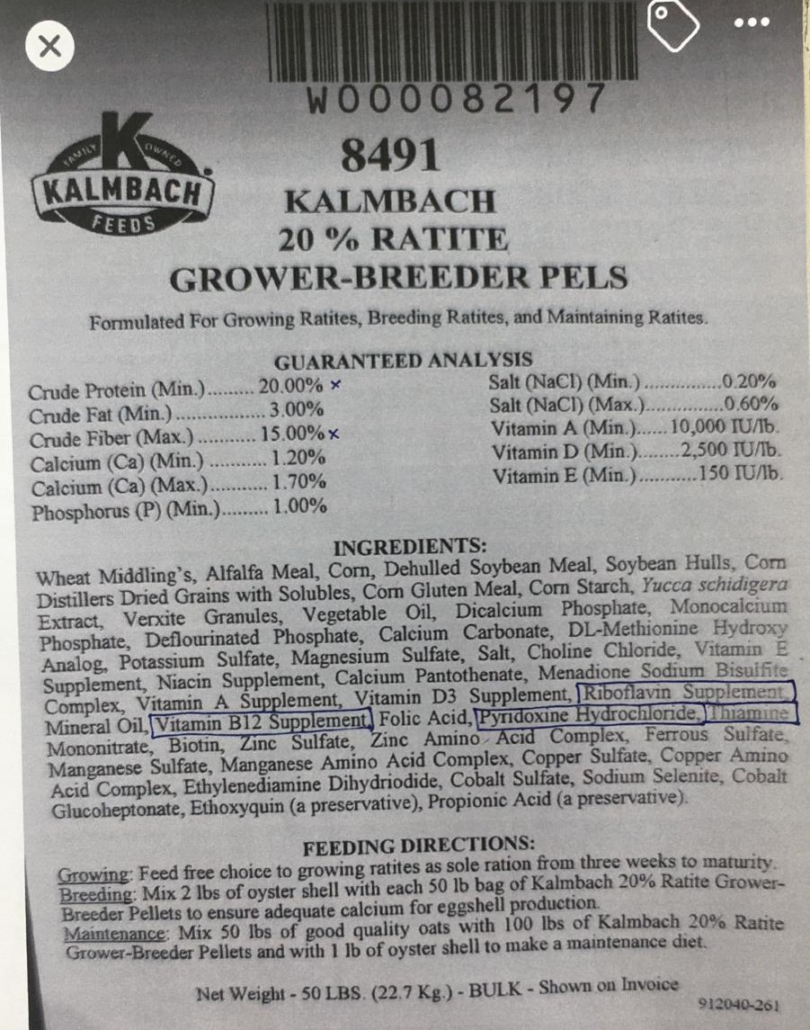

 |  |  |  |  |  |  |  | https://www.emu.services

